Sheet1
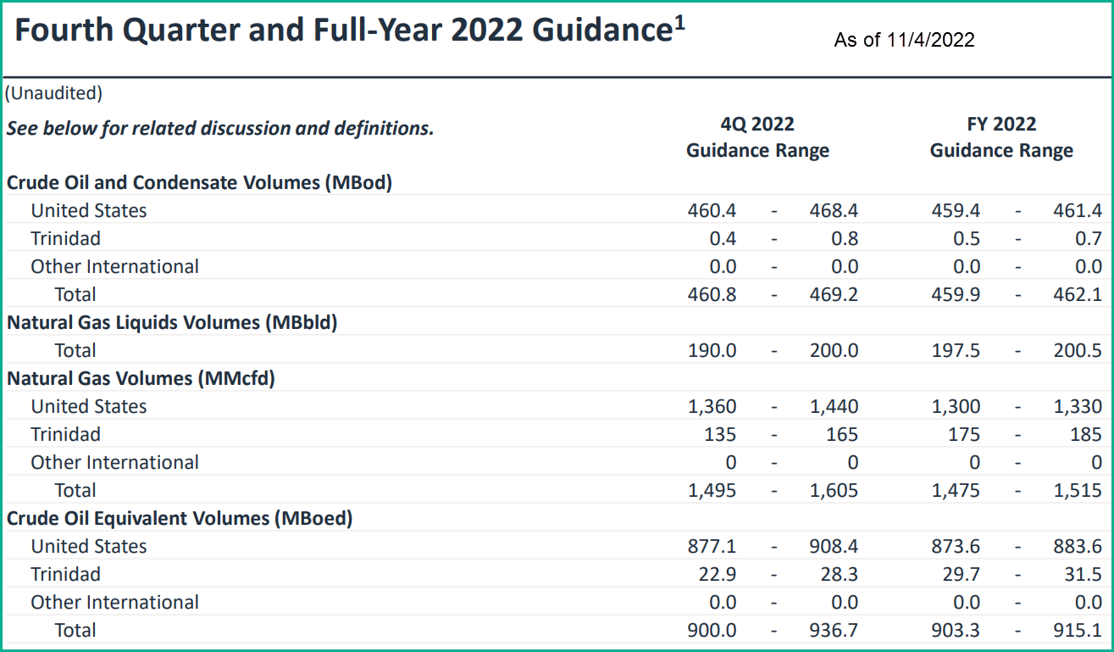
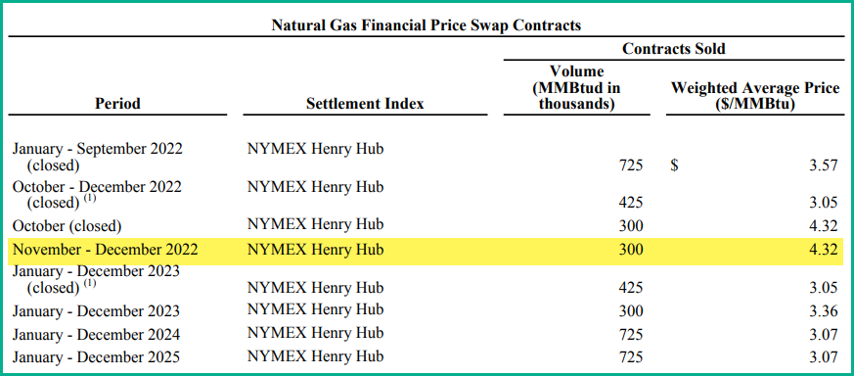
EOG Resources (EOG)
Net Income and Cash Flow 2020 - 2023 (last updated 12/18/2022)
 |  |  |  | Actual | Actual | Actual | Actual |  | Actual | Actual | Actual | Forecast
 |  |  | Actual | Qtr1 | Qtr2 | Qtr3 | Qtr4 | Actual | Qtr1 | Qtr2 | Qtr3 | Qtr4 | Forecast | Forecast
 |  |  | 2020 | 2021 | 2021 | 2021 | 2021 | 2021 | 2022 | 2022 | 2022 | 2022 | 2022 | 2023
REVENUES:
Natural gas |  |  | $837,133 | $625,000 | $404,000 | $568,000 | $847,000 | $2,444,000 | $716,000 | $1,000,000 | $1,235,000 | $856,888 | $3,807,888 | $3,900,938 | < Oil and gas forecast revenues include the effect
Crude oil, condensate & NGLs |  |  | 6,453,123 | 2,565,000 | 3,066,000 | 3,477,000 | 3,829,000 | 12,937,000 | 4,570,000 | 5,476,000 | 4,802,000 | 4,198,231 | 19,046,231 | 17,503,575 | of hedges. Hedging gains and losses are broken
Gains on derivative contracts - cash |  |  | 1,070,647 | (30,000) | (193,000) | (293,000) | (122,000) | (638,000) | (296,000) | (2,114,000) | (847,000) | 0 | (3,257,000) | 0 | out when actuals are reported.
Gains on derivative contracts - non-cash |  |  | 74,090 | (337,000) | (234,000) | (201,000) | 258,000 | (514,000) | (2,524,000) | 737,000 | 829,000 | 0 | (958,000) | 0
Gathering, processing and marketing |  |  | 2,582,984 | 848,000 | 1,022,000 | 1,186,000 | 1,232,000 | 4,288,000 | 1,469,000 | 2,169,000 | 1,561,000 | 2,300,000 | 7,499,000 | 6,000,000
Gains on property dispositions, net |  |  | (46,883) | (6,000) | 51,000 | 1,000 | (29,000) | 17,000 | 25,000 | 97,000 | (21,000) | 0 | 101,000 | 0
Other revenue |  |  | 60,954 | 29,000 | 23,000 | 27,000 | 29,000 | 108,000 | 23,000 | 42,000 | 34,000 | 25,000 | 124,000 | 100,000 | TipRank's Revenue Forecasts
Total revenues |  |  | 11,032,048 | 3,694,000 | 4,139,000 | 4,765,000 | 6,044,000 | 18,642,000 | 3,983,000 | 7,407,000 | 7,593,000 | 7,380,119 | 26,363,119 | 27,504,513 | $26.6 Billion for 2022
 |  |  |  |  |  |  |  |  |  |  |  |  |  |  | $27.9 Billion for 2023
EXPENSES: |  |  |  |  |  |  |  |  |  |  |  |  |  |  | $28.3 Billion for 2024
Lease and well |  |  | 1,063,374 | 270,000 | 270,000 | 270,000 | 325,000 | 1,135,000 | 318,000 | 324,000 | 335,000 | 347,401 | 1,324,401 | 1,481,535 | < $4.10/boe (includes expensed WORKOVERS)
Transporations costs |  |  | 734,989 | 202,000 | 214,000 | 219,000 | 228,000 | 863,000 | 228,000 | 244,000 | 257,000 | 262,669 | 991,669 | 1,120,185 | < $3.10/boe
Gathering and processing |  |  | 459,211 | 139,000 | 128,000 | 145,000 | 147,000 | 559,000 | 144,000 | 152,000 | 167,000 | 165,227 | 628,227 | 704,633 | < $1.95/boe
Exploration costs (Successful Efforts) |  |  | 145,788 | 33,000 | 35,000 | 44,000 | 42,000 | 154,000 | 45,000 | 35,000 | 35,000 | 50,000 | 165,000 | 200,000
Dry Hole Costs |  |  | 13,083 | 11,000 | 13,000 | 4,000 | 43,000 | 71,000 | 3,000 | 20,000 | 18,000 | 5,000 | 46,000 | 20,000
Impairment (FAS 21) |  |  | 2,099,780 | 44,000 | 44,000 | 82,000 | 206,000 | 376,000 | 55,000 | 91,000 | 94,000 | 50,000 | 290,000 | 200,000 | < Non-cash charge
Marketing Costs |  |  | 2,697,729 | 838,000 | 991,000 | 1,184,000 | 1,160,000 | 4,173,000 | 1,283,000 | 2,127,000 | 1,621,000 | 2,200,000 | 7,231,000 | 5,600,000 | < See row 12 above
DD&A |  |  | 3,400,353 | 900,000 | 914,000 | 927,000 | 910,000 | 3,651,000 | 847,000 | 911,000 | 906,000 | 910,869 | 3,574,869 | 3,884,513 | < $10.75/boe
G&A |  |  | 337,427 | 75,000 | 89,000 | 91,000 | 104,000 | 359,000 | 89,000 | 98,000 | 128,000 | 110,000 | 425,000 | 432,000
Stock based compensaton (non-cash) |  |  | 146,396 | 35,000 | 31,000 | 51,000 | 35,000 | 152,000 | 35,000 | 30,000 | 34,000 | 35,000 | 134,000 | 150,000
Taxes other than income |  |  | 477,934 | 215,000 | 239,000 | 277,000 | 316,000 | 1,047,000 | 390,000 | 472,000 | 334,000 | 328,583 | 1,524,583 | 1,391,293 | < 6.5% of revenues

TOTAL EXPENSES |  |  | 11,576,064 | 2,762,000 | 2,968,000 | 3,294,000 | 3,516,000 | 12,540,000 | 3,437,000 | 4,504,000 | 3,929,000 | 4,464,750 | 16,334,750 | 15,184,158

OPERATING EARNING |  |  | (544,016) | 932,000 | 1,171,000 | 1,471,000 | 2,528,000 | 6,102,000 | 546,000 | 2,903,000 | 3,664,000 | 2,915,370 | 10,028,370 | 12,320,354

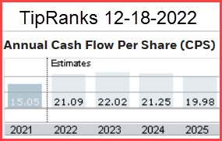
OTHER INCOME (EXPENSES) |  |  |  |  |  |  |  |  |  |  |  |  |  |  |  | Compare to CFPS Forecast on row 52
Other income (expense) |  |  | 10,228 | (4,000) | (2,000) | 6,000 | 9,000 | 9,000 | (1,000) | 27,000 | 40,000 | 0 | 66,000 | 0
Interest expense |  |  | (205,266) | (47,000) | (45,000) | (48,000) | (38,000) | (178,000) | (48,000) | (48,000) | (41,000) | (40,000) | (177,000) | (170,000)

INCOME BERORE INCOME TAXES |  |  | (739,054) | 881,000 | 1,124,000 | 1,429,000 | 2,499,000 | 5,933,000 | 497,000 | 2,882,000 | 3,663,000 | 2,875,370 | 9,917,370 | 12,150,354

INCOME TAXES
Current |  |  | 51,881 | 240,000 | 314,000 | 445,000 | 392,000 | 1,391,000 | 572,000 | 746,000 | 482,000 | 431,305 | 2,231,305 | 1,822,553 | < 15%
Deferred |  |  | (186,390) | (36,000) | (97,000) | (111,000) | 122,000 | (122,000) | (465,000) | (102,000) | 327,000 | 230,030 | (9,970) | 972,028 | < 08%

NET INCOME |  |  | ($604,545) | $677,000 | $907,000 | $1,095,000 | $1,985,000 | $4,664,000 | $390,000 | $2,238,000 | $2,854,000 | $2,214,035 | $7,696,035 | $9,355,773

Common Stock outstanding (thousand) |  |  | 583,571 | 585,264 | 585,264 | 585,264 | 585,264 | 585,264 | 587,635 | 587,635 | 587,635 | 587,635 | 587,635 | 588,000 | < 2022 is shares o/s on 9-30-2022
Earnings per share |  |  | ($1.04) | $1.16 | $1.55 | $1.87 | $3.39 | $7.97 | $0.66 | $3.81 | $4.86 | $3.77 | $13.10 | $15.91
 |  |  |  |  |  |  |  |  | $0.66 | $3.81 | $4.86 | $3.73 | $13.06 | $15.50 | < TipRank's EPS estimate

 |  |  | $4,855,623 | $1,982,000 | $2,001,000 | $2,257,000 | $3,069,000 | $9,309,000 | $3,384,000 | $2,354,000 | $3,423,000 | $3,428,933 | $12,589,933 | $14,082,314 | < 2022 CapEx guidance is $4.5 to $4.7 billion as of 11/2/22
Cashflow per share (before CapEx) |  |  | $8.32 | $3.39 | $3.42 | $3.86 | $5.24 | $15.91 | $5.76 | $4.01 | $5.83 | $5.84 | $21.42 | $23.95 | < CFPS
 |  |  |  |  |  |  |  |  |  |  |  | $5.69 | $21.09 | $22.02 | Fair Value = 7.5 X 2022+2023 CFPS = |  |  |  | $167.00
PRODUCTION |  |  |  |  |  |  |  |  |  |  |  |  |  |  |  |  | TipRanks Price Target |  | $156.67
Natural Gas (mcfp/d) |  |  | 1,251,750 | 1,342,000 | 1,445,000 | 1,422,000 | 1,534,000 | 1,435,750 | 1,458,000 | 1,528,000 | 1,469,000 | 1,560,000 | 1,503,750 | 1,710,000 |  |  | Truist Fin 12/15/2022 |  | $146.00
Oil (bbls/d) |  |  | 409,258 | 431,000 | 448,600 | 449,500 | 450,600 | 444,925 | 450,100 | 464,100 | 465,100 | 466,000 | 461,325 | 485,000 |  |  | TD Securities 12/15/2022 |  | $150.00
NGLs (bbls/d) |  |  | 136,033 | 124,300 | 138,500 | 157,900 | 156,900 | 144,400 | 190,300 | 201,900 | 209,300 | 195,000 | 199,125 | 220,000 |  |  | JP Morgan 12/5/25022 |  | $156.00
 |  | boe/day | 753,916 | 778,967 | 827,933 | 844,400 | 863,167 | 828,617 | 883,400 | 920,667 | 919,233 | 921,000 | 911,075 | 990,000 |  |  | Johnson Rice 12/5/2022 |  | $163.00
PRODUCT PRICES (Net of hedges) |  |  | 13.77% |  |  |  |  | 9.91% |  |  |  |  | 9.95% | 8.66% | < 2022 guidance is 903.3 to 915.1 Mboepd
Natural Gas ($/mcf) |  |  | 2.31 | 5.12 | 3.02 | 4.34 | 5.95 | 4.61 | 5.65 | 1.43 | 6.66 | 5.97 | 4.93 | 6.25 | < Q2 realized oil and ngas include big cash settlements
Oil ($/bbl) |  |  | 43.90 | 57.44 | 61.55 | 63.75 | 73.12 | 63.96 | 88.07 | 80.18 | 84.04 | 83.28 | 83.89 | 83.00 | to terminate 2022 and 2023 hedges
NGLs ($/bbl) |  |  | 13.40 | 28.03 | 29.15 | 37.72 | 40.40 | 33.83 | 39.76 | 42.28 | 36.01 | 35.00 | 38.26 | 35.00 | < Forecast oil & ngas prices include the estimated
 |  |  |  |  |  |  |  |  |  |  |  |  |  |  | impact of the hedges shown below.
Gross Revenue check (prod * ave price) |  |  | $8,278,496 | $3,160,000 | $3,277,000 | $3,752,000 | $4,454,000 | $14,643,001 | $4,990,000 | $4,362,000 | $5,189,415 | $5,055,119 | $19,596,535 | $21,404,513

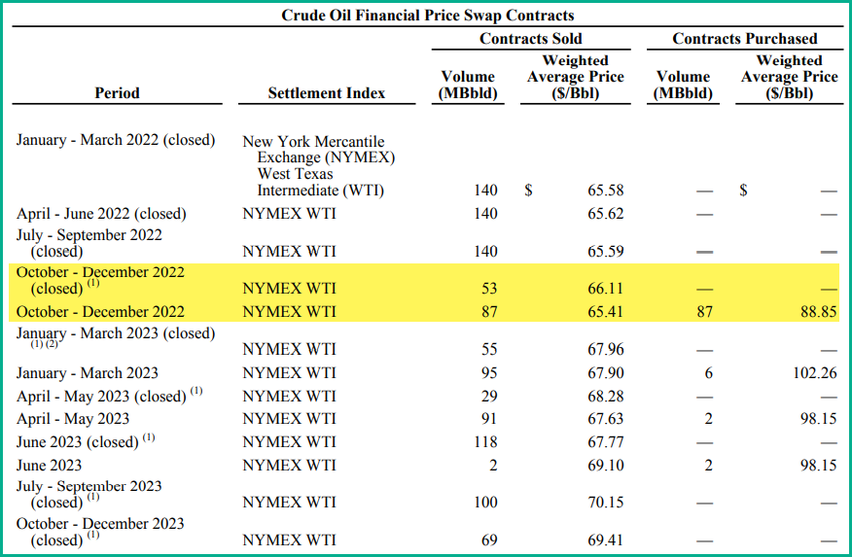
Proved Reserves at 12-31-2021 |  |  |  |  |  | Hedges for 2022 and 2023 as of Nov 4, 2022 |  |  |  |  |  |  |  |  |  | Impact of hedges on realized oil and gas prices
Crude Oil | 1,548 |  |  |  |  |  |  |  |  |  |  |  |  |  |  |  |  | Q2 2022 |  |  |  | Q2 2022
NGLs | 829 | 2,377 |  |  |  |  |  |  |  |  |  |  |  |  |  |  |  | Realized oil price |  |  |  | Realized gas price
Natural gas |  | 8,222 |  |  |  |  |  |  |  |  |  |  |  |  |  | Oil Production per day |  | 464,100 |  | Gas Production per day |  | 1,528,000
MMBoe |  | 3,747 |  |  |  |  |  |  |  |  |  |  |  |  |  | Hedged Vol | $/Bbl |  |  | Hedged Vol | $/Mmbtu
 |  |  |  |  |  |  |  |  |  |  |  |  |  |  |  | 140,000 | $65.62 | $19.79 |  | 725,000 | $3.57 | $1.69
PV10 value at 12/31/2020 = $11,390 million |  |  |  |  |  |  |  |  |  |  |  |  |  |  |  | - | $- | $- |  | - | $- | $-
 |  |  |  |  |  |  |  |  |  |  |  |  |  |  |  | 324,100 | $108.41 | $75.71 |  | 803,000 | $7.17 | $3.77
PV10 value at 12/31/20201 = $46,186 million |  |  |  |  |  |  |  |  |  |  |  |  |  |  |  | 464,100 |  | $95.50 |  | 1,528,000 |  | $5.46

 |  |  |  |  |  |  |  |  |  |  |  |  |  |  |  |  |  | Q3 2022 |  |  |  | Q3 2022
 |  |  |  |  |  |  |  |  |  |  |  |  |  |  |  |  |  | Realized oil price |  |  |  | Realized gas price
 |  |  |  |  |  |  |  |  |  |  |  |  |  |  |  | Oil Production per day |  | 465,100 |  | Gas Production per day |  | 1,469,000
 |  |  |  |  |  |  |  |  |  |  |  |  |  |  |  | Hedged Vol | $/Mmbtu |  |  | Hedged Vol | $/Mmbtu
 |  |  |  |  |  |  |  |  |  |  |  |  |  |  |  | 140,000 | $65.62 | $19.75 |  | 241,667 | $3.57 | $0.59
 |  |  |  |  |  |  |  |  |  |  |  |  |  |  |  | - | $- | $- |  | - | $- | $-
 |  |  |  |  |  |  |  |  |  |  |  |  |  |  |  | 325,100 | $91.97 | $64.29 |  | 1,227,333 | $7.80 | $6.52
 |  |  |  |  |  |  |  |  |  |  |  |  |  |  |  | 465,100 |  | $84.04 |  | 1,469,000 |  | $7.10

 |  |  |  |  |  |  |  |  |  |  |  |  |  |  |  |  |  | Q4 2022 |  |  |  | Q4 2022
 |  |  |  |  |  |  |  |  |  |  |  |  |  |  |  |  |  | Realized oil price |  |  |  | Realized gas price
 |  |  |  |  |  |  |  |  |  |  |  |  |  |  |  | Oil Production per day |  | 466,000 |  | Gas Production per day |  | 1,560,000
 |  |  |  |  |  |  |  |  |  |  |  |  |  |  |  | Hedged Vol | $/Mmbtu |  |  | Hedged Vol | $/Mmbtu
 |  |  |  |  |  |  |  |  |  |  |  |  |  |  |  | 87,000 | $88.85 | $16.59 |  | 200,000 | $4.32 | $0.55
 |  |  |  |  |  |  |  |  |  |  |  |  |  |  |  | - | $- | $- |  | - | $- | $-
 |  |  |  |  |  |  |  |  |  |  |  |  |  |  |  | 379,000 | $82.00 | $66.69 |  | 1,360,000 | $6.50 | $5.67
 |  |  |  |  |  |  |  |  |  |  |  |  |  |  |  | 466,000 |  | $83.28 |  | 1,560,000 |  | $6.22

